Sheet1
2022 Global Nutrition Report: Stronger commitments for greater action
Chapter number and title | Chapter 1. The genesis of the first global accountability framework for nutrition
Figure number | 1.1
Descriptive title: | Commitment goals made at the Nutrition for Growth summits by stakeholder type
Messaging title: | At the 2021 Tokyo N4G Summit stakeholders registered 859 commitment goals through the NAF
Source: | Global Nutrition Report: Nutrition for Growth Commitment Tracker. Bristol, UK: Development Initiatives. https://globalnutritionreport.org/resources/nutrition-growth-commitment-tracking. Accessed on 15 November 2022.
Notes: | The figure shows the absolute numbers of commitment goals registered by stakeholder type across the N4G summits. Academia is a stakeholder type that was added in 2021 as part of the NAF and for the Tokyo summit. In all three summits, international organisations included only UN agencies. The NAF introduced a formal registration process for the Tokyo summit that included standardised data fields for each commitment and its goals. The total amounts committed to are derived from financial commitment goals, and do not differentiate between nutrition-specific and nutrition-sensitive financing. Amounts were not reported for all financial goals, and as such total amounts reported may underestimate the full magnitude of financial investments.

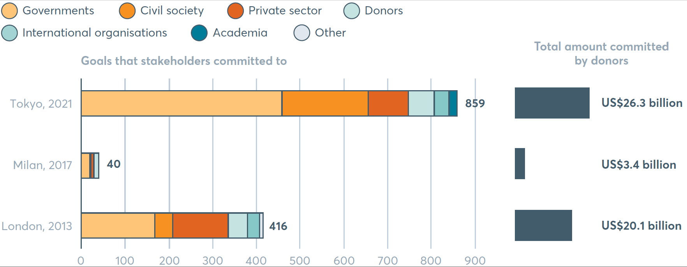
 | N4G Summit | Governments | Civil Society | Private Sector | Donors | International organisations | Academia | Other | Total
 | Tokyo, 2021 | 459 | 197 | 92 | 59 | 34 | 18 | 0 | 859
 | Milan, 2017 | 20 | 2 | 7 | 11 | 0 | 0 | 0 | 40
 | London, 2013 | 168 | 41 | 127 | 44 | 28 | 0 | 8 | 416

